Summary
EMPIAR-10227 | Species | Strain | Genotype | Treatment | Phenotype | Sample | Instrument(s) | KeV(s) | Camera(s) | Other EMPIAR | Details are in these papers
US1363_G1 | S. cerevisiae | US1363 | MATa bar1Δ ade2-1 can1-100 leu2-3 his3-11 ura3 trp1-1 (Wild type) | α-factor arrest | arrest in G1 | cryosections | Titan Krios | 300 | Falcon II | 10062 | Chen, 2016 |  | Liang, 2012
US1363_nocodazole | S. cerevisiae | US1363 | MATa bar1Δ ade2-1 can1-100 leu2-3 his3-11 ura3 trp1-1 (Wild type) | nocodazole treatment | arrest in prometaphase | cryosections | Titan Krios | 300 | Falcon II | 10159 | Ng, 2019 |  | Liang, 2012
US8133_nocodazole | S. cerevisiae | US8133 | MATa bar1-1, ura3-1, leu2-3,112, his3-11, can1-100, ade2-1 Dam1-GFP:TRP1 | nocodazole treatment | arrest in prometaphase; Dam1p-GFP | cryosections | Titan Krios | 300 | Falcon II | 10159 | Ng, 2019 |  | Ng, 2019
US1375_metaphase | S. cerevisiae | US1375 | MATa ura3 his3 cdc20Δ:LEU2 GAL-CDC20::TRP1 | 1. α-factor arrest 2. α-factor washout 3. wait 3 hours 40 minutes | arrest @ metaphase | cryosections | Titan Krios | 300 | Falcon II | 10062, 10159 | Chen, 2016 | Ng, 2019 | Krishnan, 2004
US4780_TEV-cohesin | S. cerevisiae | US4780 | MATa, MET3-HA-CDC20: URA3, scc1D:HIS3, SCC1TEV268-HA3-LEU2, GAL-NLS-myc9-TEV protease-NLS2::TRP1, tetR-GFP: HIS3 | galactose | metaphase, no cohesion | cryosections | Titan Krios | 300 | Falcon II | 10159 | Ng, 2019 |  | Ng, 2019

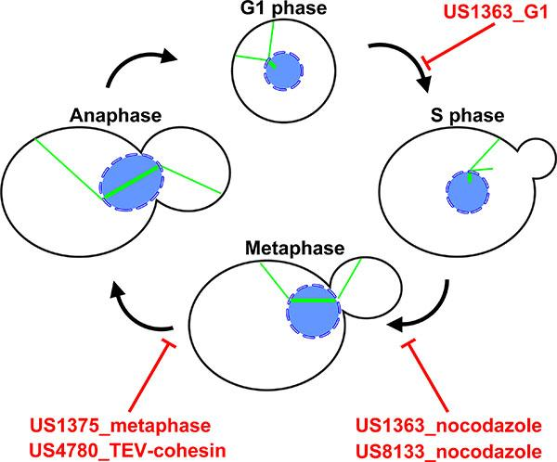
Graphical summaries
Datasets indicated in red text

Feedback form

Useful commands
unzip all data in directory "US1363_G1" |  |  | lbunzip2 US1363_G1_tilt/*.bz2
load tilt series numbered 010 to 019 in slicer |  |  | 3dmod -S US1363_G1_tomo/14oct31a__01*.rec
load many many tilt series w/o hitting max memory |  |  | 3dmod -bin 3 14oct31_*.mrc

Tutorials & tools
Cryo-EM basics | Caltech cryo-EM course |  | An online introductory course taught by Grant Jensen
Cryo-EM advanced | EM-University |  | Includes the above videos and more; taught by Matthijn Vos and Grant Jensen
Software | IMOD |  | The IMOD package contains both Etomo (reconstruction) and 3dmod (tutorial), along with many other command-line tools
Reconstruction | Etomo text tutorial
Reconstruction | Etomo video tutorial
Visualization | 3dmod tutorial
Reconstruction & subtomogram analysis | IMOD RML workshop |  | Additional tutorial data

Tools & info from our lab
Our lab | https://www.anaphase.org/
Useful scripts | https://github.com/anaphaze/ot-tools |  |  | Note: these scripts have cryo-EM software dependencies

